OperatingCurves
FabTime Cycle Time Operating Curve Generator
Calculates regular lot (non-hot-lot) cycle time for multiple-tool machine groups with general arrival and service processes.
Each tool has a single failure process, indicated by MTBF and percentage downtime.

Source | Description | Set 1 | Set 2 | Set 3 | Notes
Operations | Average process time (hours) | 1 | 1 | 1
Operations | Hot lot percentage | 0% | 0% | 0% | Percent of WIP with priority over regular lots.
Operations | Number of tools | 1 | 1 | 1
Operations | Process time variability | 1 | 1 | 1 | Coefficient of variation of process times
Operations | Inter-batch arrival variability | 1 | 1 | 1 | Coefficient of variation of arrival process
Operations | Average arriving batch size (lots) | 1 | 1 | 1 | If lots tend to arrive in batches
Operations | Arriving batch size variability | 0 | 0 | 0 | Coefficient of variation of arriving batch size
Operations | Repair time variability | 1 | 1 | 1 | Coefficient of variation of repair process
Operations | Mean time between failures (hours) | 24 | 24 | 24 | MTBF
Operations | Percentage downtime | 0% | 0% | 0%
Cycle Time Operating Curves
 | Set 1 | Set 2 | Set 3
50.0% | 2.000 | 2.000 | 2.000
50.4% | 2.014 | 2.014 | 2.014
50.7% | 2.028 | 2.028 | 2.028
51.1% | 2.043 | 2.043 | 2.043
51.4% | 2.058 | 2.058 | 2.058
51.8% | 2.073 | 2.073 | 2.073
52.1% | 2.088 | 2.088 | 2.088
52.5% | 2.103 | 2.103 | 2.103
52.8% | 2.119 | 2.119 | 2.119
53.2% | 2.134 | 2.134 | 2.134
53.5% | 2.151 | 2.151 | 2.151
53.9% | 2.167 | 2.167 | 2.167
54.2% | 2.183 | 2.183 | 2.183
54.6% | 2.200 | 2.200 | 2.200
54.9% | 2.217 | 2.217 | 2.217
55.3% | 2.235 | 2.235 | 2.235
55.6% | 2.252 | 2.252 | 2.252
56.0% | 2.270 | 2.270 | 2.270
56.3% | 2.288 | 2.288 | 2.288
56.7% | 2.307 | 2.307 | 2.307
57.0% | 2.326 | 2.326 | 2.326
57.4% | 2.345 | 2.345 | 2.345
57.7% | 2.364 | 2.364 | 2.364
58.1% | 2.384 | 2.384 | 2.384
58.4% | 2.404 | 2.404 | 2.404
58.8% | 2.424 | 2.424 | 2.424
59.1% | 2.445 | 2.445 | 2.445
59.5% | 2.466 | 2.466 | 2.466
59.8% | 2.488 | 2.488 | 2.488
60.2% | 2.509 | 2.509 | 2.509
60.5% | 2.532 | 2.532 | 2.532
60.9% | 2.554 | 2.554 | 2.554
61.2% | 2.577 | 2.577 | 2.577
61.5% | 2.601 | 2.601 | 2.601
61.9% | 2.625 | 2.625 | 2.625
62.2% | 2.649 | 2.649 | 2.649
62.6% | 2.674 | 2.674 | 2.674
63.0% | 2.699 | 2.699 | 2.699
63.3% | 2.725 | 2.725 | 2.725
63.7% | 2.751 | 2.751 | 2.751
64.0% | 2.778 | 2.778 | 2.778
64.4% | 2.805 | 2.805 | 2.805
64.7% | 2.833 | 2.833 | 2.833
65.1% | 2.861 | 2.861 | 2.861
65.4% | 2.890 | 2.890 | 2.890
65.8% | 2.920 | 2.920 | 2.920
66.1% | 2.950 | 2.950 | 2.950
66.5% | 2.981 | 2.981 | 2.981
66.8% | 3.012 | 3.012 | 3.012
67.2% | 3.044 | 3.044 | 3.044
...

 | Left end-point for x-axis (min utilization) | 50%
 | Right end-point for x-axis (max utilization) | 85%

Impact of Tool Qual
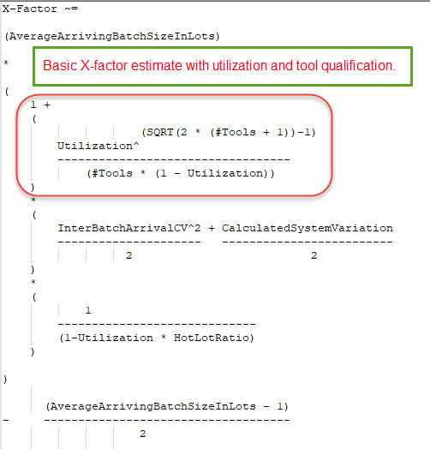
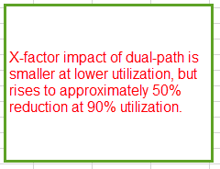
Tools | 1 | 2 | 3 | CT Reduction of single-path to dual-path | CT Reduction of single-path to 3 tools
Util | Basic XF | Basic XF | Basic XF
50% | 2.00 | 1.37 | 1.19 | 32% | 41%
55% | 2.22 | 1.47 | 1.25 | 34% | 44%
60% | 2.50 | 1.60 | 1.33 | 36% | 47%
65% | 2.86 | 1.77 | 1.43 | 38% | 50%
70% | 3.33 | 1.99 | 1.58 | 40% | 53%
75% | 4.00 | 2.32 | 1.79 | 42% | 55%
80% | 5.00 | 2.81 | 2.11 | 44% | 58%
85% | 6.67 | 3.63 | 2.65 | 45% | 60%
90% | 10.00 | 5.29 | 3.75 | 47% | 63%

